Subset
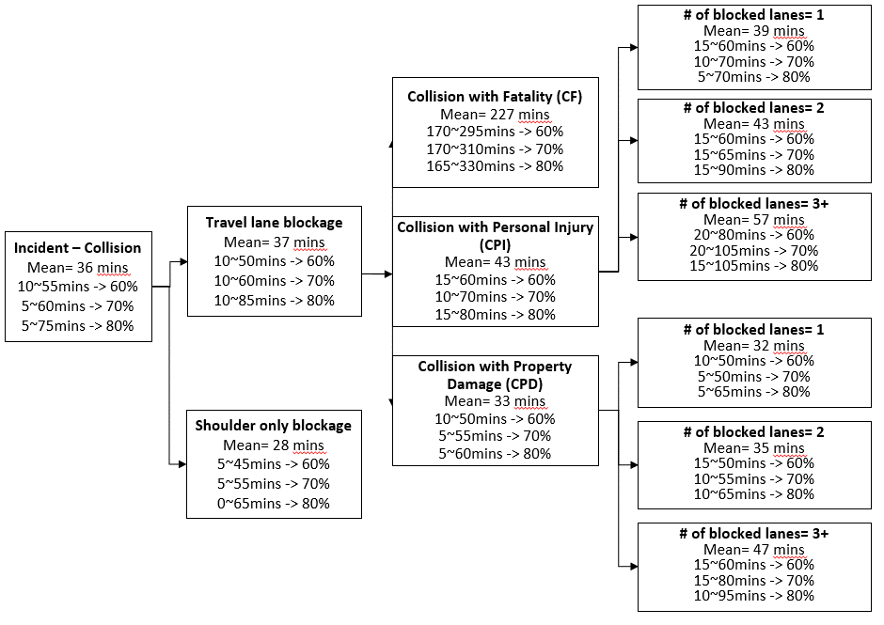

test 2
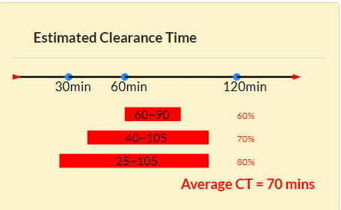
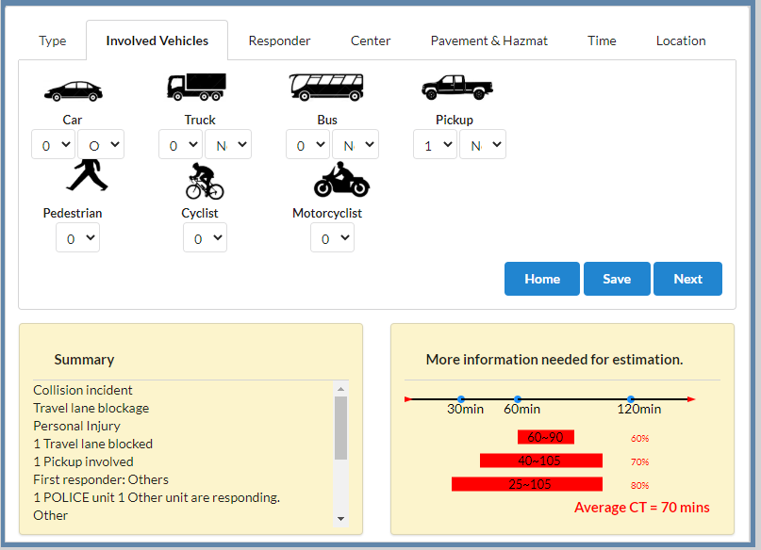
CPI1 (1) | Predict Outcome | Correct Outcome
SOLVED - 6/18/2020 |  | CPI-1 Lane-3

Collision incident
Travel lane blockage
Personal Injury
1 Travel lane blocked
1 Pickup involved
First responder: Others
1 POLICE unit 1 Other unit are responding.
Other
Unspecified condition | Note
Summer | If I set there is car overturned but 0 car involved. The summary does not include the information about overturn but the estimation it displays which is based on the situation I set there is car overturned and 1 car involved. The logic is fine but here we also need to force users to set at least one car involved, if they want to set the vehicle state, such as car overturned.
Night time
Weekend
Exits 12-20: West of Baltimore
Outer Loop
Exit 11

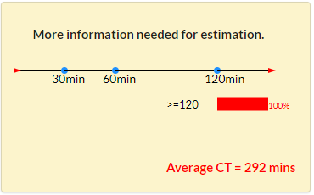
CPI2 (2) | Predict Outcome | Correct Outcome
SOLVED - 6/19/2020 |  | CPI-2 Lane-3
Collision incident
Travel lane blockage
Personal Injury
An Auxiliary lane blocked
2 Travel lanes blocked
1 Car involved
First responder: Others
1 TOW unit 7 Other units are responding.
Other
Unspecified condition | Note
Summer | The input information shows "TOW service arrived", and then "Snow-iced pavement condition OR [More than 7 response units arrived & Auxiliary lane blocked]", and the case does not meet any rules determining duration longer than 120 mins, so the result should be lane-3 instead of lane-4 As long as the case meets any one of rules determining the duration>30, and [More than 7 response units arrived & Auxiliary lane blocked], the estimation diretly becomes CPI-2 Lane-4, but it is acctually is lane-3
Day time
Weekend
Exits 12-20: West of Baltimore
Outer Loop
Exit 11

CPI2 (3) | Predict Outcome | Correct Outcome
SOLVED - 6/19/2020 |  | CPI-2 Lane-3

Collision incident
Travel lane blockage
Personal Injury
2 Travel lanes blocked
1 Car involved
First responder: Others
1 TOW unit 7 Other units are responding.
Other
Snow/Ice pavement condition | Note
Summer | The input information shows "TOW service arrived", and then "Snow-iced pavement condition OR [More than 7 response units arrived & Auxiliary lane blocked]", and the case does not meet any rules determining duration longer than 120 mins, so the result should be lane-3 instead of lane-4
Day time
Weekend
Exits 12-20: West of Baltimore
Outer Loop
Exit 11

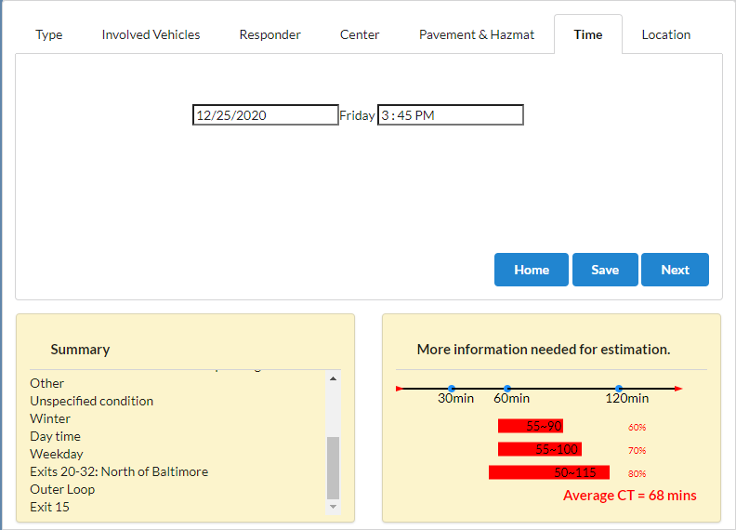
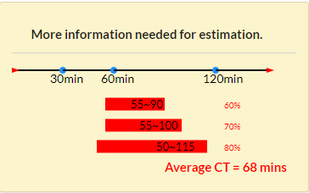
CPD1 (4) | Predict Outcome | Correct Outcome
PENDING Fixed "Holiday" display on model. |  | CPD-1 Lane-3

Collision incident
Travel lane blockage
Property Damage only
1 Travel lane blocked
1 Car involved
First responder: Others
1 TOW unit 4 Other units are responding.
Other
Unspecified condition | Note
Winter | The input information shows "Tow service arrived OR Hazard materials related" ,and "More than 4 response units arrived & [Holiday OR Pickup service involved OR More than 3 vehicled involved]" are met. The date of this case is a holiday, but it is not shown on the summary, but the result is not correct either. *This problem also exists in CPD-3.
Day time
Weekday
Exits 20-32: North of Baltimore
Outer Loop
Exit 11

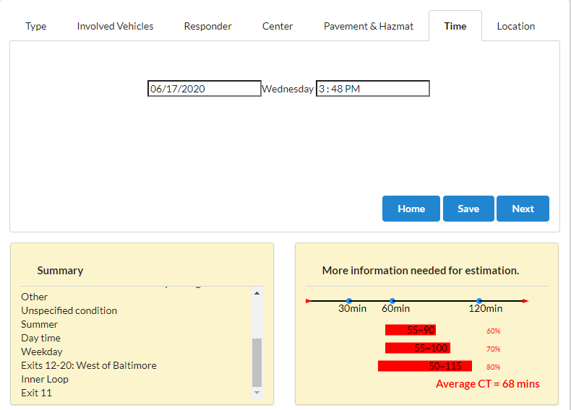
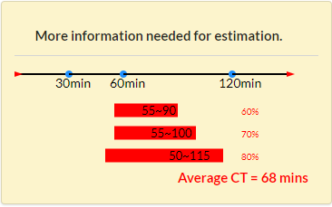
CPD1 (4) | Predict Outcome | Correct Outcome
SOLVED - 6/19/2020 |  | CPD-1 Lane-2

Collision incident
Travel lane blockage
Property Damage only
1 Travel lane blocked
1 Car involved
First responder: Others
1 TOW unit 4 Other units are responding.
Other
Unspecified condition | Note
Winter | This problem exists, when I set the date which is a holiday first (the result is correct here), and then I change the data into not holiday (wrong estimaiton is shown). The result is not updated after I change the date input. The input information shows only "Tow service arrived OR Hazard materials related" is met. The date of this case is not a holiday,so this case should be categorized into CPD-1 Lane-2, instead of CPD-1 Lane-3. *This problem also exists in CPD-3.
Day time
Weekday
Exits 20-32: North of Baltimore
Outer Loop
Exit 11

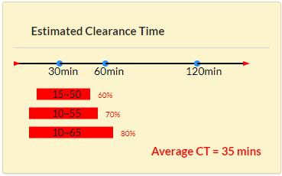
CPD2 (5) | Predict Outcome | Correct Outcome
SOLVED - 6/19/2020 |  | CPD-2 Lane-2

Collision incident
Travel lane blockage
Property Damage only
2 Travel lanes blocked
1 Car involved
First responder: Others
1 TOW unit 1 FIREBOARD unit 1 Other unit are responding.
Other
Unspecified condition | Note
Summer | The input information shows only "Tow service arrived & Fireboard arrived" is met, so the result should be CPD-2 lane-2, but the result is still CPD-2 and not updated after I entered the entire information. *All rules determining the duration >30 have the same problem.
PM-peak
Weekday
Exits 32-1: East of Baltimore
Outer Loop
Exit 15

